Tax Rates
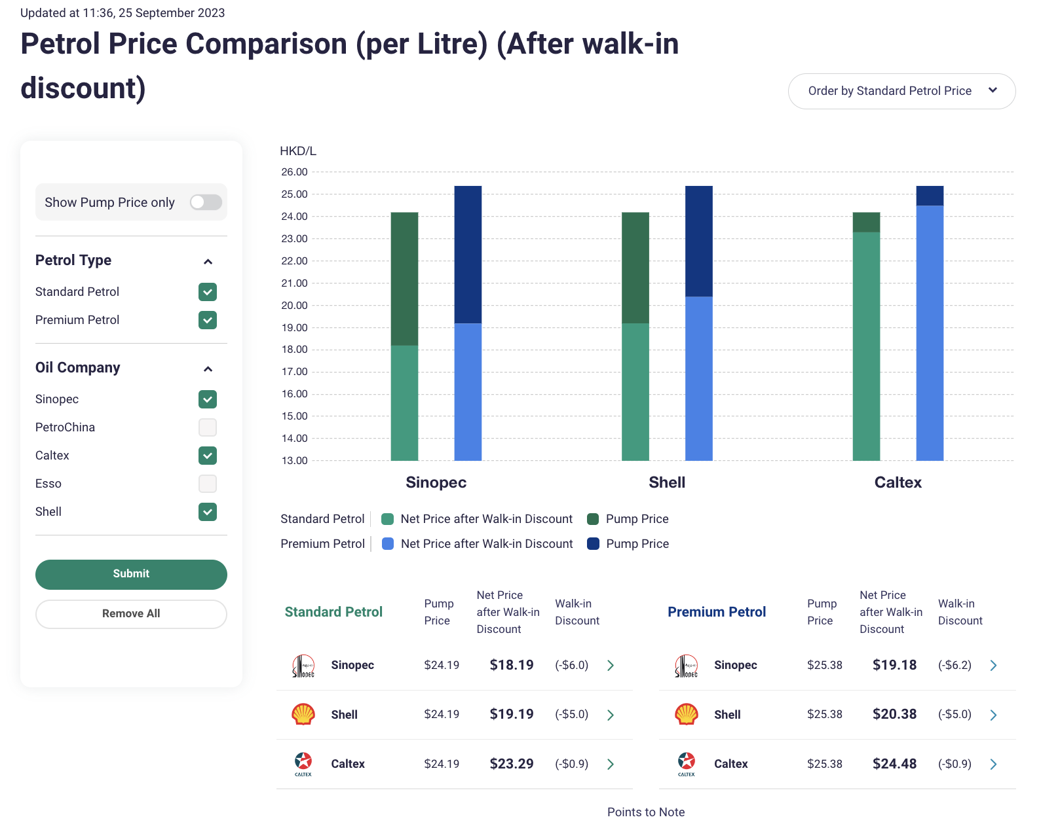
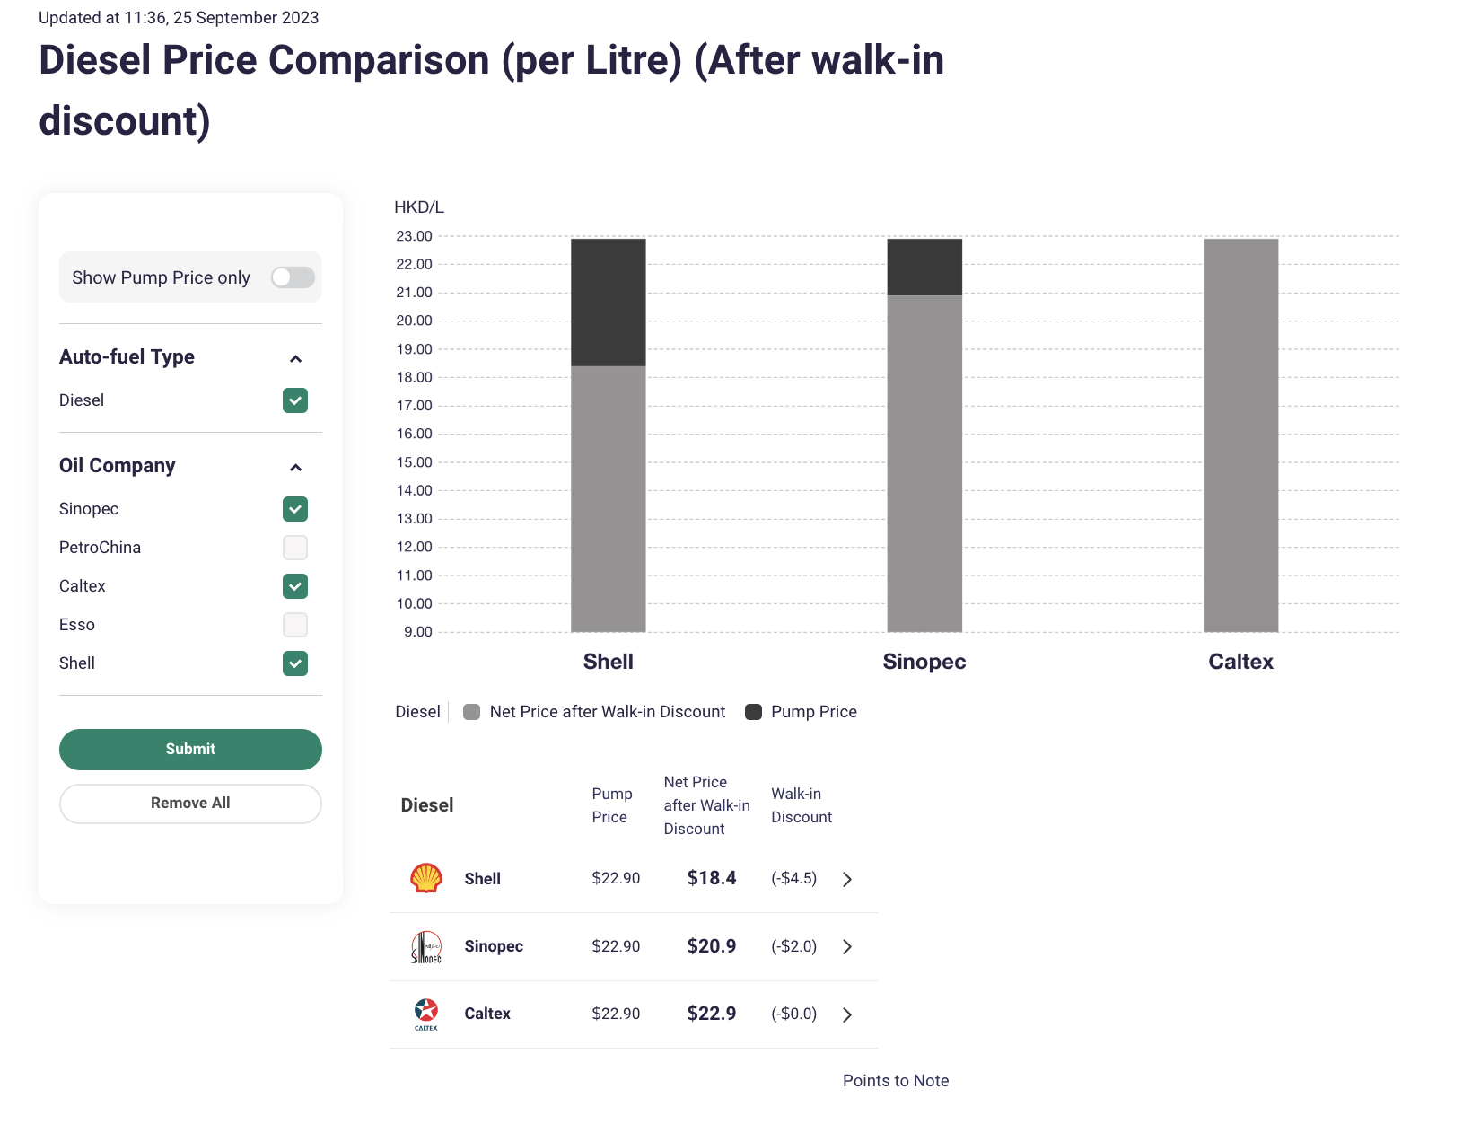
rate= | tax/(end user price-tax)

 | HK Tax | avg | Sinopeck |  | Rate
Aircraft spirit | $6.51 |  | $4.00 |  | 162.75%
Motor spirit (leaded petrol) | $6.82
Motor spirit (unleaded petrol) | $6.06 | 21.656666667 | $24.19 |  | 25.05%
Light diesel oil | $2.89 | 20.926666667 | $22.90 | marine | 12.62%
Ultra Low Sulphur diesel | $2.89 |  | $20.70 |  | 13.96%
Euro V diesel | $0.00 |  | $21.85 |  | 0.00%

 | Sinopec |  | Caltex | Shell
Sino X Power | 25.23 | Platinum | 14.15 | 25.5 | Shell V-Power*
Sino Power | 24.04 | Gold | 16.74 | 24.19 | Shell FuelSave Unleaded*
Sino Diesel | 22.35 | Caltex Diesel | 17.93 | 22.5 | Shell FuelSave Diesel
* Inc. Government Excise Duty HK$6.06/ Litre

Avg Sales Tax Rate
0

